FORM
Completed forms along with agreement and other required attachments (e.g., data set, scope of services, budget, protocol) should be submitted to osp@ochsner.org. OSP will facilitate necessary financial review and forward approved requests to Legal.
This form should not be used for clinical trial agreements.
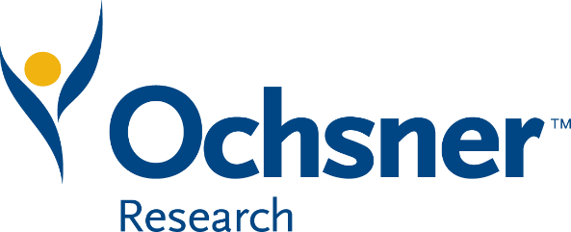
 | AGREEMENT SUBMISSION FORM

 | Send completed form to osp@ochsner.org. Incomplete forms will be returned.

Approval from Research Department Manager or above is required for contract request, including source & amount of funding & expenditure of Ochsner time &/or resources

Electronic form completion required. Handwritten forms will be returned. | Red Fields are Required

Requestor's Name
Date Requested
Ochsner Investigator
Non-Ochsner Collaborator
Non-Ochsner Collaborator Contact Information (Name, email, phone number)
Is IRB approval required?

Is patient informed consent required?
Is agreement a clinical trial agreement?

What are Ochsner's primary obligations under this agreement?
What are the Non-Ochsner Collaborator's primary obligations under the agreement?
Does the agreement involve IS or software?

Type of Agreement (e.g., Data Use, Material Transfer, Independent Contractor, Services, Research Collaboration, Grant, Subaward, License, other)
Will Ochsner personnel provide services to a third party in connection with this Agreement? If yes, please attach a draft scope of services and budget to your submission.

Will a third party provide services to Ochsner in connection with this Agreement? If yes, please attach a draft scopes of services and budget to your submission.

Will Ochsner receive data from outside of the organization under this agreement?
If yes, what type of data will be received (e.g., de-identified, limited data set, full PHI)? If yes, also attach a word document to your submission that includes all data elements that will be received.

Will Ochsner transfer data outside of the organization under this agreement?
If yes, what type of data will be transferred (e.g., de-identified, limited data set, full PHI)? If yes, also attach a word document to your submission that includes all data elements that will be transferred.

Will Ochsner receive materials (other than data) from outside of the organization under this agreement?
If yes, what type of materials will be received? (e.g., biological, chemical, genetically modified, human tissue, other)
Will Ochsner transfer materials (other than data) outside of the organization under this agreement?
If yes, what type of materials will be transferred? (e.g., biological, chemical, genetically modified, human tissue, other)
What is the source (e.g., external or internal) of funding for this project?
What is the amount of funding for this project?
What Ochsner time and/or resources will be expended as a result of fulfilling the terms of the agreement (e.g., CRC support, IS support)?
Is the amount of funding available sufficient to support any expenditure of Ochsner time and/or resources related to this Agreement?
If no, provide source of additional funds to support project.
Will third party come on site (on Ochsner property)?
Will third party require access to Epic?
If yes, what level of access will be required?
Please described intended publication rights for each party to the agreement if applicable (e.g., whether one party or both should retain publication rights, and whether one party or both requires the right to review any proposed publications prior to submission, etc.)
Is it anticipated that any intellectual property will result from this agreement?
If yes, please describe Ochsner Investigator's position with respect to ownership of resulting intellectual property.
Anticipated length of project through completion (e.g. 3 months, 1 year, etc.)?
Project start date | 2022-01-01
Provide justification if less than 2 weeks
Has agreement been provided by non-Ochsner collaborator?

 | Attach copy of related study protocol to submission
Ochsner investigator is aware and has agreed to obligations related to agreement
Your signature below indicates that you have read, understand, and agree to the content therein.
Print name of Research Department Manager (or above) - Approval Required
Research Department Manager (or above) signature - Required
Date approved

Approval from Research Department Manager or above is required for contract request, including source and amount of funding and expenditure of Ochsner time and/or resources
Completed forms along with agreement and other required attachments (e.g., data set, scope of services, budget, protocol) should be submitted to osp@ochsner.org. OSP will facilitate necessary financial review and forward approved requests to Legal.
This form should not be used for clinical trial agreements.
Revised 3/19/2021

